Intro to Python Data Types
1.0 INTRODUCTION TO PYTHON DATA TYPES |  |  |  | REFERENCE

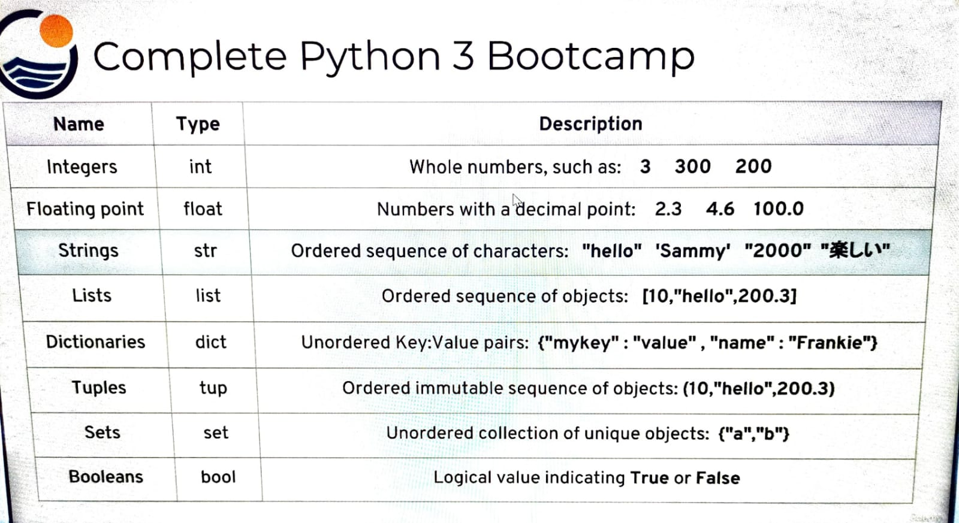 |  |  |  | ⇰REFERENCE (Website)-->Udemy Regarding Conceptual & Practical Understanding of Various Data Types of Python Language

 |  |  |  | ⇰REFERENCE (Website)-->Geeks for Geeks Regarding Conceptual & Practical Implementation of Various Data Types of Python | ⇰REFERENCE (Website)-->Udemy Regarding Conceptual & Practical Understanding of Various Data Types of Python Language

 |  |  |  | ⇰REFERENCE (Website)-->Java T Point Regarding Conceptual & Practical Implementation Regarding of Various Data Types of Python | ⇰REFERENCE (Website)-->Udemy Regarding Conceptual & Practical Understanding of Various Data Types of Python Language

▣REQUISITE POINTS OF DATA TYPES OF PYTHON BASICS

⇰In This Section of Course we will cover key data types of python
⇰These are your basic building blocks of code when constructing larger pieces of code & It will be very beneficial or Imperative for EDA (Exploratory Data Analysis) & Feature Engineering & Data Wrangling.

⇰(Types) Python has an internal keyword for this name and you're not going to get whole word integer.The whole word floating point instead of Python has kind of a shortened keyword.So that's the second column such as int for integer, STR, for strings, etc.

⇰(Description) Basically description column mean what the actual description of the data type is. |  |  |  | ⇰REFERENCE (Website)-->Geeks for Geeks Regarding Conceptual & Practical Implementation of Various Data Types of Python | ⇰REFERENCE (Website)-->Udemy Regarding Conceptual & Practical Understanding of Various Data Types of Python Language
S.no | Name | Types | Description
❶ | INTEGERS | Int | Whole Numbers such as : 3 , 300 ,200
∎We start off with integers and those are just basic whole numbers such as 3, 300, 200.
S.no | Name | Types | Description
❷ | Floating Point | float | Numbers of Decimal Point: 2.3, 4.6, 100
∎(floating) floating point numbers and those are numbers of a decimal point, 2.3, 4.6, 100.0. & notice here that if even if you have 100.0, that still counts as a floating point number.That's no longer an integer because it has a decimal point.

S.no | Name | Types | Description
❸ | Strings | str | Ordered Sequence of Characters :"hello","Sammy","2000","我赢了。"
∎(strings) strings are an ordered sequence of characters.You can think of these as just kind of words, but you should also note they can be numbers as well as foreign characters inside of a string.The main thing that the notes is a string is that it either has double quotes or single quotes.Here we can see we have hello and double quotes Sammy and single quotes.We have the digits of 2000 inside double quotes that makes it a string. It's no longer just an integer because it has double quotes around it & then you can also see we have some Chinese characters inside double quotes. |  |  |  | ⇰REFERENCE (Website)-->Java T Point Regarding Conceptual & Practical Implementation Regarding of Various Data Types of Python | ⇰REFERENCE (Website)-->Udemy Regarding Conceptual & Practical Understanding of Various Data Types of Python Language

DATA STRUCTURES

S.no | Name | Types | Description
❹ | Lists | list | Ordered Sequence of Object :[10,"hello","200.3"]
∎(lists) lists are basically an ordered sequence of objects.Here we can see that we've been able to use square brackets [ ] and commas " " to have a sequence of other objects, such as the number ten '10' , the string 'hello' & then the number of '200.3'.
 |  |  |  | ⇰REFERENCE (Website)-->Geeks for Geeks Regarding Conceptual & Practical Implementation of Various Data Types of Python | ⇰REFERENCE (Website)-->Udemy Regarding Conceptual & Practical Understanding of Various Data Types of Python Language

S.no | Name | Types | Description
❺ | Dictionaries | dict | Unordered key :Value Pairs {"mykey":"value" , "name":"Frankie"}
∎(Dictionaries) Dictionaries are another data structure that can store other data types.Except in this case, instead of having an ordered sequence, they have unordered key value pairs.But here we can see that we have a key (Unordered Key), then a colon (":") & then a value, and it's denoted by curly braces { } as far as if it's a dictionary, instead of just being a normal list which has square brackets, but then we can have something like name and then colon (":") , and then the value of that name is Frankie.

S.no | Name | Types | Description
❻ | Tuples | tup | Ordered immutable (unchanged) sequence of object :(10,"hello","200.3")
∎(Tuples) tuples are ordered immutable sequences of objects.They look a lot like lists, except they have parentheses ( ) and they're immutable, meaning you cannot change an object that's already in that sequence. |  |  |  | ⇰REFERENCE (Website)-->Java T Point Regarding Conceptual & Practical Implementation Regarding of Various Data Types of Python | ⇰REFERENCE (Website)-->Udemy Regarding Conceptual & Practical Understanding of Various Data Types of Python Language

S.no | Name | Types | Description
❼ | Sets | set | Unordered collection of unique object: {"a":"b"}
∎(sets) sets which are an unordered collection of unique objects, and again, They're a little similar to a dictionary, but they don't have key value pairs.Instead, they're just unique objects in some unordered collection. So you don't have that colon ≠ (":") key value pair.

S.no | Name | Types | Description
❽ | Booleans | bool | Logical Values Indicating True or False
∎(Booleans) booleans, which are just logical value indicating True or False. Notice how we have capital T in capital F, that sort of syntax is necessary for Python.

